ZoneSummary
Zone Summary
Zone Name | Conditioned (Y/N) | Multiplier | Area (m2) | Volume (m3) | Floor-to-Ceiling Height (m) | Gross Wall Area (m2) | Window Glass Area (m2) | People (m2/per) | People | Lights (W/m2) | Elec Plug and Process (W/m2) | Gas Plug and Process (W/m2) | SWH (L/h) | Ventilation (L/s/Person) | Ventilation (L/s/m2) | Ventilation Total (L/s) | Exhaust (L/s) | Infiltration (ACH)
First Floor
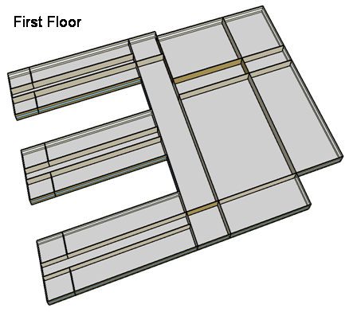
CORNER_CLASS_1_POD_1_ZN_1_FLR_1 | Yes | 1 | 99 | 396 | 4 | 80 | 28 | 4 | 24.8 | 15.06 | 10.00 | 0.00 | 0.0 | 8.0 | 0.0 | 198 | 0 | 0.22
MULT_CLASS_1_POD_1_ZN_1_FLR_1 | Yes | 1 | 477 | 1,908 | 4 | 212 | 74 | 4 | 119.3 | 15.06 | 10.00 | 0.00 | 0.0 | 8.0 | 0.0 | 954 | 0 | 0.12
CORRIDOR_POD_1_ZN_1_FLR_1 | Yes | 1 | 320 | 1,280 | 4 | 20 | 7 | 10 | 32.0 | 5.38 | 4.00 | 0.00 | 0.0 | 0.0 | 0.5 | 160 | 0 | 0.02
CORNER_CLASS_2_POD_1_ZN_1_FLR_1 | Yes | 1 | 99 | 396 | 4 | 80 | 28 | 4 | 24.8 | 15.06 | 10.00 | 0.00 | 0.0 | 8.0 | 0.0 | 198 | 0 | 0.22
MULT_CLASS_2_POD_1_ZN_1_FLR_1 | Yes | 1 | 477 | 1,908 | 4 | 212 | 74 | 4 | 119.3 | 15.06 | 10.00 | 0.00 | 0.0 | 8.0 | 0.0 | 954 | 0 | 0.12
CORNER_CLASS_1_POD_2_ZN_1_FLR_1 | Yes | 1 | 99 | 396 | 4 | 80 | 28 | 4 | 24.8 | 15.06 | 10.00 | 0.00 | 0.0 | 8.0 | 0.0 | 198 | 0 | 0.22
MULT_CLASS_1_POD_2_ZN_1_FLR_1 | Yes | 1 | 477 | 1,908 | 4 | 212 | 74 | 4 | 119.3 | 15.06 | 10.00 | 0.00 | 0.0 | 8.0 | 0.0 | 954 | 0 | 0.12
CORRIDOR_POD_2_ZN_1_FLR_1 | Yes | 1 | 320 | 1,280 | 4 | 20 | 7 | 10 | 32.0 | 5.38 | 4.00 | 0.00 | 0.0 | 0.0 | 0.5 | 160 | 0 | 0.02
CORNER_CLASS_2_POD_2_ZN_1_FLR_1 | Yes | 1 | 99 | 396 | 4 | 80 | 28 | 4 | 24.8 | 15.06 | 10.00 | 0.00 | 0.0 | 8.0 | 0.0 | 198 | 0 | 0.22
MULT_CLASS_2_POD_2_ZN_1_FLR_1 | Yes | 1 | 477 | 1,908 | 4 | 212 | 74 | 4 | 119.3 | 15.06 | 10.00 | 0.00 | 0.0 | 8.0 | 0.0 | 954 | 0 | 0.12
CORNER_CLASS_1_POD_3_ZN_1_FLR_1 | Yes | 1 | 99 | 396 | 4 | 80 | 28 | 4 | 24.8 | 15.06 | 10.00 | 0.00 | 0.0 | 8.0 | 0.0 | 198 | 0 | 0.22
MULT_CLASS_1_POD_3_ZN_1_FLR_1 | Yes | 1 | 477 | 1,908 | 4 | 212 | 74 | 4 | 119.3 | 15.06 | 10.00 | 0.00 | 0.0 | 8.0 | 0.0 | 954 | 0 | 0.12
CORRIDOR_POD_3_ZN_1_FLR_1 | Yes | 1 | 320 | 1,280 | 4 | 20 | 7 | 10 | 32.0 | 5.38 | 4.00 | 0.00 | 0.0 | 0.0 | 0.5 | 160 | 0 | 0.02
CORNER_CLASS_2_POD_3_ZN_1_FLR_1 | Yes | 1 | 99 | 396 | 4 | 80 | 28 | 4 | 24.8 | 15.06 | 10.00 | 0.00 | 0.0 | 8.0 | 0.0 | 198 | 0 | 0.22
MULT_CLASS_2_POD_3_ZN_1_FLR_1 | Yes | 1 | 477 | 1,908 | 4 | 212 | 74 | 4 | 119.3 | 15.06 | 10.00 | 0.00 | 0.0 | 8.0 | 0.0 | 954 | 0 | 0.12
MAIN_CORRIDOR_ZN_1_FLR_1 | Yes | 1 | 1,140 | 4,560 | 4 | 200 | 70 | 0 | 0.0 | 5.38 | 4.00 | 0.00 | 0.0 | 0.0 | 0.5 | 570 | 0 | 0.05
LOBBY_ZN_1_FLR_1 | Yes | 1 | 210 | 840 | 4 | 60 | 21 | 0 | 0.0 | 13.99 | 4.00 | 0.00 | 0.0 | 0.0 | 0.5 | 105 | 0 | 0.08
BATHROOMS_ZN_1_FLR_1 | Yes | 1 | 210 | 840 | 4 | 116 | 41 | 10 | 21.0 | 9.68 | 4.00 | 0.00 | 197.5 | 25.0 | 0.0 | 300 | 300 | 0.15
OFFICES_ZN_1_FLR_1 | Yes | 1 | 532 | 2,128 | 4 | 208 | 73 | 20 | 26.6 | 11.84 | 10.80 | 0.00 | 0.0 | 10.0 | 0.0 | 266 | 0 | 0.11
GYM_ZN_1_FLR_1 | Yes | 1 | 1,976 | 15,808 | 8 | 0 | 80 | 1 | 1976.0 | 15.06 | 5.00 | 0.00 | 717.2 | 10.0 | 0.0 | 19,760 | 0 | 0.14
AUX_GYM_ZN_1_FLR_1 | Yes | 1 | 1,248 | 9,984 | 8 | 608 | 266 | 3 | 374.8 | 15.06 | 5.00 | 0.00 | 0.0 | 10.0 | 0.0 | 3,748 | 0 | 0.20
AUDITORIUM_ZN_1_FLR_1 | Yes | 1 | 988 | 7,904 | 8 | 512 | 106 | 1 | 988.0 | 9.68 | 5.00 | 0.00 | 0.0 | 8.0 | 0.0 | 7,904 | 0 | 0.21
KITCHEN_ZN_1_FLR_1 | Yes | 1 | 216 | 864 | 4 | 36 | 13 | 7 | 32.4 | 12.91 | 222.19 | 1119.04 | 503.5 | 8.0 | 0.0 | 259 | 1,888 | 0.05
CAFETERIA_ZN_1_FLR_1 | Yes | 1 | 624 | 2,496 | 4 | 200 | 70 | 1 | 447.8 | 15.06 | 19.26 | 0.00 | 0.0 | 10.0 | 0.0 | 4,478 | 0 | 0.09
MECH_ZN_1_FLR_1 | Yes | 1 | 342 | 1,368 | 4 | 0 | 0 | 100 | 3.4 | 16.14 | 4.00 | 0.00 | 0.0 | 0.0 | 0.3 | 86 | 0 | 0.00
Total Conditioned Zones |  |  | 11,902 | 64,456 |  | 3,752 | 1,374 |  | 4,830
Second Floor
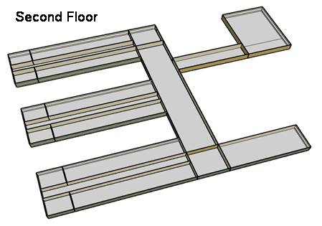
CORNER_CLASS_1_POD_1_ZN_1_FLR_2 | Yes | 1 | 99 | 396 | 4 | 80 | 28 | 4 | 24.8 | 15.06 | 10.00 | 0.00 | 0.0 | 8.0 | 0.0 | 198 | 0 | 0.49
MULT_CLASS_1_POD_1_ZN_1_FLR_2 | Yes | 1 | 477 | 1,908 | 4 | 212 | 74 | 4 | 119.3 | 15.06 | 10.00 | 0.00 | 0.0 | 8.0 | 0.0 | 954 | 0 | 0.39
CORRIDOR_POD_1_ZN_1_FLR_2 | Yes | 1 | 320 | 1,280 | 4 | 20 | 7 | 10 | 32.0 | 5.38 | 4.00 | 0.00 | 0.0 | 0.0 | 0.5 | 160 | 0 | 0.29
CORNER_CLASS_2_POD_1_ZN_1_FLR_2 | Yes | 1 | 99 | 396 | 4 | 80 | 28 | 4 | 24.8 | 15.06 | 10.00 | 0.00 | 0.0 | 8.0 | 0.0 | 198 | 0 | 0.49
MULT_CLASS_2_POD_1_ZN_1_FLR_2 | Yes | 1 | 477 | 1,908 | 4 | 212 | 74 | 4 | 119.3 | 15.06 | 10.00 | 0.00 | 0.0 | 8.0 | 0.0 | 954 | 0 | 0.39
CORNER_CLASS_1_POD_2_ZN_1_FLR_2 | Yes | 1 | 99 | 396 | 4 | 80 | 28 | 4 | 24.8 | 15.06 | 10.00 | 0.00 | 0.0 | 8.0 | 0.0 | 198 | 0 | 0.49
MULT_CLASS_1_POD_2_ZN_1_FLR_2 | Yes | 1 | 477 | 1,908 | 4 | 212 | 74 | 4 | 119.3 | 15.06 | 10.00 | 0.00 | 0.0 | 8.0 | 0.0 | 954 | 0 | 0.39
CORRIDOR_POD_2_ZN_1_FLR_2 | Yes | 1 | 320 | 1,280 | 4 | 20 | 7 | 10 | 32.0 | 5.38 | 4.00 | 0.00 | 0.0 | 0.0 | 0.5 | 160 | 0 | 0.29
CORNER_CLASS_2_POD_2_ZN_1_FLR_2 | Yes | 1 | 99 | 396 | 4 | 80 | 28 | 4 | 24.8 | 15.06 | 10.00 | 0.00 | 0.0 | 8.0 | 0.0 | 198 | 0 | 0.49
MULT_CLASS_2_POD_2_ZN_1_FLR_2 | Yes | 1 | 477 | 1,908 | 4 | 212 | 74 | 4 | 119.3 | 15.06 | 10.00 | 0.00 | 0.0 | 8.0 | 0.0 | 954 | 0 | 0.39
CORNER_CLASS_1_POD_3_ZN_1_FLR_2 | Yes | 1 | 99 | 396 | 4 | 80 | 28 | 4 | 24.8 | 15.06 | 10.00 | 0.00 | 0.0 | 8.0 | 0.0 | 198 | 0 | 0.49
MULT_CLASS_1_POD_3_ZN_1_FLR_2 | Yes | 1 | 477 | 1,908 | 4 | 212 | 74 | 4 | 119.3 | 15.06 | 20.00 | 0.00 | 0.0 | 8.0 | 0.0 | 954 | 0 | 0.39
CORRIDOR_POD_3_ZN_1_FLR_2 | Yes | 1 | 320 | 1,280 | 4 | 20 | 7 | 10 | 32.0 | 5.38 | 4.00 | 0.00 | 0.0 | 0.0 | 0.5 | 160 | 0 | 0.29
CORNER_CLASS_2_POD_3_ZN_1_FLR_2 | Yes | 1 | 99 | 396 | 4 | 80 | 28 | 4 | 24.8 | 15.06 | 10.00 | 0.00 | 0.0 | 8.0 | 0.0 | 198 | 0 | 0.49
MULT_CLASS_2_POD_3_ZN_1_FLR_2 | Yes | 1 | 477 | 1,908 | 4 | 212 | 74 | 4 | 119.3 | 15.06 | 20.00 | 0.00 | 0.0 | 8.0 | 0.0 | 954 | 0 | 0.39
MAIN_CORRIDOR_ZN_1_FLR_2 | Yes | 1 | 1,140 | 4,560 | 4 | 200 | 70 | 0 | 0.0 | 5.38 | 4.00 | 0.00 | 0.0 | 0.0 | 0.5 | 570 | 0 | 0.32
LOBBY_ZN_1_FLR_2 | Yes | 1 | 210 | 840 | 4 | 60 | 21 | 0 | 0.0 | 13.99 | 4.00 | 0.00 | 0.0 | 0.0 | 0.5 | 105 | 0 | 0.35
BATHROOMS_ZN_1_FLR_2 | Yes | 1 | 210 | 840 | 4 | 116 | 41 | 10 | 21.0 | 9.68 | 4.00 | 0.00 | 197.5 | 25.0 | 0.0 | 300 | 300 | 0.42
OFFICES_ZN_1_FLR_2 | Yes | 1 | 532 | 2,128 | 4 | 208 | 73 | 20 | 26.6 | 11.84 | 10.80 | 0.00 | 0.0 | 10.0 | 0.0 | 266 | 0 | 0.38
LIBRARY_MEDIA_CENTER_ZN_1_FLR_2 | Yes | 1 | 840 | 3,360 | 4 | 236 | 83 | 4 | 193.1 | 13.99 | 10.00 | 0.00 | 0.0 | 8.0 | 0.0 | 1,545 | 0 | 0.35
MECH_ZN_1_FLR_2 | Yes | 1 | 342 | 1,368 | 4 | 0 | 0 | 100 | 3.4 | 16.14 | 4.00 | 0.00 | 0.0 | 0.0 | 0.25 | 86 | 0 | 0.00
Total Conditioned Zones |  |  | 7,690 | 30,760 |  | 2,632 | 922 |  | 1,204
Building Total Conditioned Zones |  |  | 19,592 | 95,216 |  | 6,384 | 2,296 |  | 6,034
 |  |  |  |  |  | 4,088
Data Source |  |  |  |  |  |  |  | 1 |  | 2 | 4, 5 | 4, 5 | 4, 5 | 3 | 3 | 3 | 4 | 4

Sources
[1] Pless, S.; Torcellini, P.; Long, N. (2007). Technical Support Document: Development of the Advanced Energy Design Guide for K-12 Schools--30% Energy Savings. 178 pp.; NREL Report No. TP-550-42114. http://www.nrel.gov/docs/fy07osti/42114.pdf
[2] ASHRAE Standard 90.1-2004 Tables 9.5.1 & 9.6.1, Atlanta, GA: American Society of Heating, Refrigerating and Air-Conditioning Engineers.
[3] ASHRAE Standard 62-1999 Table 6-1, Atlanta, GA: American Society of Heating, Refrigerating and Air-Conditioning Engineers.
[4] DOE Benchmark Report
[5] Smith, V. A. and D.R. Fisher. (2001). Estimating Food Service Loads and Profiles. ASHRAE Transactions 2001. V. 107. Pt 2. Atlanta, GA: American Society of Heating, Refrigerating and Air-Conditioning Engineers.

Picture
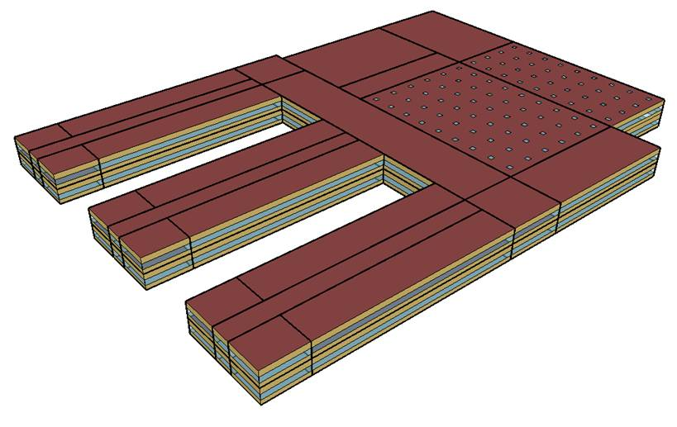
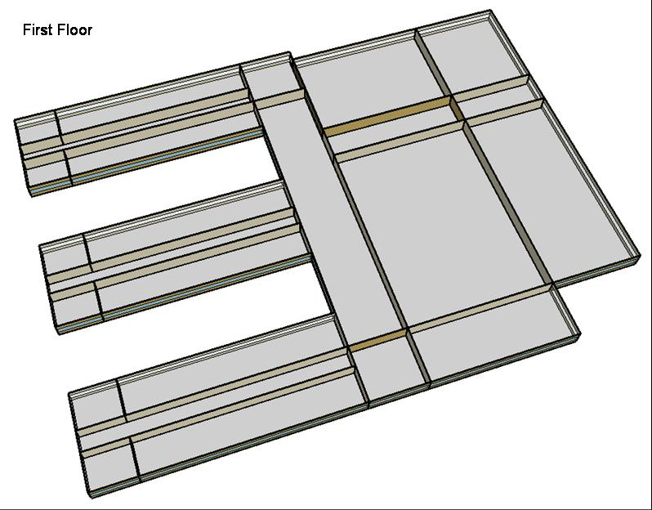
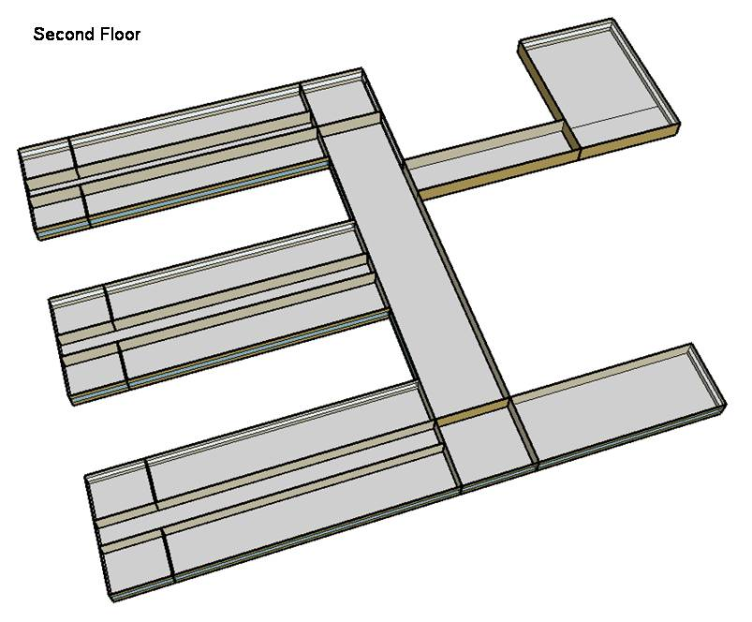
DOE Commercial Building Benchmark - Secondary School

Electricity
 | Cooling | Interior Lighting | Exterior Lighting | Interior Equipment | Fans | Pumps | Refrigeration
Miami | 1,273,541.67 | 939,483.33 | 39,500.00 | 632,727.78 | 339,783.33 | 16,888.89 | 43,591.67
Houston | 909,661.11 | 939,483.33 | 39,486.11 | 632,727.78 | 319,591.67 | 12,197.22 | 41,700.00
Phoenix | 902,380.56 | 939,483.33 | 39,477.78 | 632,727.78 | 339,413.89 | 12,377.78 | 41,838.89
Atlanta | 468,644.44 | 939,483.33 | 39,472.22 | 632,727.78 | 303,869.44 | 7,694.44 | 39,950.00
Los Angeles | 208,247.22 | 939,483.33 | 39,441.67 | 632,727.78 | 288,472.22 | 5,941.67 | 39,983.33
Las Vegas | 631,280.56 | 939,483.33 | 39,433.33 | 632,727.78 | 320,108.33 | 9,138.89 | 40,597.22
San Francisco | 80,869.44 | 939,483.33 | 39,452.78 | 632,727.78 | 292,377.78 | 3,486.11 | 38,316.67
Baltimore | 384,325.00 | 939,483.33 | 39,430.56 | 632,727.78 | 302,341.67 | 6,647.22 | 38,786.11
Albuquerque | 294,519.44 | 939,483.33 | 39,444.44 | 632,727.78 | 317,138.89 | 6,205.56 | 38,811.11
Seattle | 64,327.78 | 939,483.33 | 39,366.67 | 632,727.78 | 278,658.33 | 2,863.89 | 37,583.33
Chicago | 275,144.44 | 939,483.33 | 39,436.11 | 632,727.78 | 300,550.00 | 5,502.78 | 37,983.33
Boulder | 184,027.78 | 939,483.33 | 39,413.89 | 632,727.78 | 302,319.44 | 4,769.44 | 37,802.78
Minneapolis | 216,294.44 | 939,483.33 | 39,411.11 | 632,727.78 | 307,463.89 | 5,705.56 | 37,569.44
Helena | 107,022.22 | 939,483.33 | 39,400.00 | 632,727.78 | 301,605.56 | 4,366.67 | 36,941.67
Duluth | 83,813.89 | 939,483.33 | 39,377.78 | 632,727.78 | 311,413.89 | 4,936.11 | 36,366.67
Fairbanks | 42,683.33 | 939,483.33 | 39,138.89 | 632,727.78 | 343,127.78 | 6,847.22 | 35,580.56

Gas
 | Heating | Interior Equipment | Water Systems
Miami | 149,340.00 | 353,390.00 | 183,800.00
Houston | 1,759,300.00 | 353,390.00 | 250,250.00
Phoenix | 1,260,860.00 | 353,390.00 | 219,890.00
Atlanta | 3,354,290.00 | 353,390.00 | 309,330.00
Los Angeles | 883,230.00 | 353,390.00 | 289,310.00
Las Vegas | 1,880,800.00 | 353,390.00 | 263,310.00
San Francisco | 3,047,230.00 | 353,390.00 | 339,290.00
Baltimore | 6,039,840.00 | 353,390.00 | 356,360.00
Albuquerque | 3,941,540.00 | 353,390.00 | 347,290.00
Seattle | 5,669,440.00 | 353,390.00 | 372,930.00
Chicago | 8,080,300.00 | 353,390.00 | 396,360.00
Boulder | 5,805,100.00 | 353,390.00 | 392,600.00
Minneapolis | 11,238,990.00 | 353,390.00 | 432,020.00
Helena | 8,910,750.00 | 353,390.00 | 435,270.00
Duluth | 13,474,180.00 | 353,390.00 | 485,250.00
Fairbanks | 23,159,040.00 | 353,390.00 | 548,240.00

EUI
 | Cooling (elec) | Interior Lighting (elec) | Exterior Lighting (elec) | Interior Equipment (elec) | Fans (elec) | Pumps (elec) | Refrigeration (elec) | Heating (gas) | Interior Equipment (gas)
Miami | 234.01 | 172.63 | 7.26 | 116.26 | 62.43 | 3.10 | 8.01 | 7.62 | 18.04
Houston | 167.15 | 172.63 | 7.26 | 116.26 | 58.72 | 2.24 | 7.66 | 89.80 | 18.04
Phoenix | 165.81 | 172.63 | 7.25 | 116.26 | 62.37 | 2.27 | 7.69 | 64.36 | 18.04
Atlanta | 86.11 | 172.63 | 7.25 | 116.26 | 55.84 | 1.41 | 7.34 | 171.21 | 18.04
Los Angeles | 38.27 | 172.63 | 7.25 | 116.26 | 53.01 | 1.09 | 7.35 | 45.08 | 18.04
Las Vegas | 116.00 | 172.63 | 7.25 | 116.26 | 58.82 | 1.68 | 7.46 | 96.00 | 18.04
San Francisco | 14.86 | 172.63 | 7.25 | 116.26 | 53.72 | 0.64 | 7.04 | 155.53 | 18.04
Baltimore | 70.62 | 172.63 | 7.25 | 116.26 | 55.55 | 1.22 | 7.13 | 308.28 | 18.04
Albuquerque | 54.12 | 172.63 | 7.25 | 116.26 | 58.27 | 1.14 | 7.13 | 201.18 | 18.04
Seattle | 11.82 | 172.63 | 7.23 | 116.26 | 51.20 | 0.53 | 6.91 | 289.38 | 18.04
Chicago | 50.56 | 172.63 | 7.25 | 116.26 | 55.23 | 1.01 | 6.98 | 412.43 | 18.04
Boulder | 33.81 | 172.63 | 7.24 | 116.26 | 55.55 | 0.88 | 6.95 | 296.30 | 18.04
Minneapolis | 39.74 | 172.63 | 7.24 | 116.26 | 56.50 | 1.05 | 6.90 | 573.65 | 18.04
Helena | 19.67 | 172.63 | 7.24 | 116.26 | 55.42 | 0.80 | 6.79 | 454.82 | 18.04
Duluth | 15.40 | 172.63 | 7.24 | 116.26 | 57.22 | 0.91 | 6.68 | 687.74 | 18.04
Fairbanks | 7.84 | 172.63 | 7.19 | 116.26 | 63.05 | 1.26 | 6.54 | 1182.07 | 18.04

Water
 | Total Building | Water for Electricity (m3)
Miami | 2,677.93 | 1,740.53
Houston | 2,677.93 | 4,710.26
Phoenix | 2,677.93 | 86,371.60
Atlanta | 2,677.93 | 15,183.40
Los Angeles | 2,677.93 | 37,824.60
Las Vegas | 2,677.93 | 71,678.70
San Francisco | 2,677.93 | 35,584.50
Baltimore | 2,677.93 | 532.12
Albuquerque | 2,677.93 | 10,300.00
Seattle | 2,677.93 | 20,382.60
Chicago | 2,677.93 | 3,461.00
Boulder | 2,677.93 | 9,719.77
Minneapolis | 2,677.93 | 3,380.05
Helena | 2,677.93 | 130,587.00
Duluth | 2,677.93 | 3,177.54
Fairbanks | 2,677.93 | 2,083.81

Carbon
 | Carbon Equivalent (kg)
Miami | 913,432.65
Houston | 1,008,220.00
Phoenix | 910,838.73
Atlanta | 821,534.07
Los Angeles | 279,280.41
Las Vegas | 926,258.60
San Francisco | 304,294.37
Baltimore | 754,184.99
Albuquerque | 1,010,320.00
Seattle | 260,638.01
Chicago | 1,348,590.00
Boulder | 992,541.20
Minneapolis | 962,570.88
Helena | 928,274.79
Duluth | 959,157.34
Fairbanks | 1,007,790.00

LghtSch
Lighting Schedules
 | School year weekday | School year weekend | Summer weekday | Summer weekend
 | 0.1773 | 0.1773 | 0.1773 | 0.1773
 | 0.1773 | 0.1773 | 0.1773 | 0.1773
 | 0.1773 | 0.1773 | 0.1773 | 0.1773
 | 0.1773 | 0.1773 | 0.1773 | 0.1773
 | 0.1773 | 0.1773 | 0.1773 | 0.1773
 | 0.1773 | 0.1773 | 0.1773 | 0.1773
 | 0.1773 | 0.1773 | 0.1773 | 0.1773
 | 0.9 | 0.1773 | 0.1773 | 0.1773
 | 0.9 | 0.1773 | 0.5 | 0.1773
 | 0.9 | 0.1773 | 0.5 | 0.1773
 | 0.9 | 0.1773 | 0.5 | 0.1773
 | 0.9 | 0.1773 | 0.5 | 0.1773
 | 0.9 | 0.1773 | 0.5 | 0.1773
 | 0.9 | 0.1773 | 0.5 | 0.1773
 | 0.9 | 0.1773 | 0.5 | 0.1773
 | 0.9 | 0.1773 | 0.5 | 0.1773
 | 0.9 | 0.1773 | 0.5 | 0.1773
 | 0.9 | 0.1773 | 0.5 | 0.1773
 | 0.9 | 0.1773 | 0.5 | 0.1773
 | 0.9 | 0.1773 | 0.5 | 0.1773
 | 0.9 | 0.1773 | 0.1773 | 0.1773
 | 0.1773 | 0.1773 | 0.1773 | 0.1773
 | 0.1773 | 0.1773 | 0.1773 | 0.1773
 | 0.1773 | 0.1773 | 0.1773 | 0.1773

EqpSch
Equipment Schedules
 | School year weekday | School year weekend | Summer weekday | Summer weekend
 | 0.35 | 0.35 | 0.25 | 0.25
 | 0.35 | 0.35 | 0.25 | 0.25
 | 0.35 | 0.35 | 0.25 | 0.25
 | 0.35 | 0.35 | 0.25 | 0.25
 | 0.35 | 0.35 | 0.25 | 0.25
 | 0.35 | 0.35 | 0.25 | 0.25
 | 0.35 | 0.35 | 0.25 | 0.25
 | 0.35 | 0.35 | 0.25 | 0.25
 | 0.95 | 0.35 | 0.5 | 0.25
 | 0.95 | 0.35 | 0.5 | 0.25
 | 0.95 | 0.35 | 0.5 | 0.25
 | 0.95 | 0.35 | 0.5 | 0.25
 | 0.95 | 0.35 | 0.5 | 0.25
 | 0.95 | 0.35 | 0.5 | 0.25
 | 0.95 | 0.35 | 0.5 | 0.25
 | 0.95 | 0.35 | 0.5 | 0.25
 | 0.95 | 0.35 | 0.5 | 0.25
 | 0.35 | 0.35 | 0.25 | 0.25
 | 0.35 | 0.35 | 0.25 | 0.25
 | 0.35 | 0.35 | 0.25 | 0.25
 | 0.35 | 0.35 | 0.25 | 0.25
 | 0.35 | 0.35 | 0.25 | 0.25
 | 0.35 | 0.35 | 0.25 | 0.25
 | 0.35 | 0.35 | 0.25 | 0.25

ClassOccSch
Classroom Occupancy Schedules
 | School year weekday | Summer weekday
 | 0 | 0
 | 0 | 0
 | 0 | 0
 | 0 | 0
 | 0 | 0
 | 0 | 0
 | 0 | 0
 | 0 | 0
 | 0.7 | 0.15
 | 0.7 | 0.15
 | 0.7 | 0.15
 | 0.7 | 0.15
 | 0.7 | 0.15
 | 0.7 | 0.15
 | 0.7 | 0.15
 | 0.7 | 0.15
 | 0.15 | 0.15
 | 0.15 | 0.15
 | 0.15 | 0.15
 | 0.15 | 0.15
 | 0.15 | 0.15
 | 0 | 0
 | 0 | 0
 | 0 | 0

OffcOccSch
Office Occupancy Schedules
 | School year weekday | Summer weekday
 | 0 | 0
 | 0 | 0
 | 0 | 0
 | 0 | 0
 | 0 | 0
 | 0 | 0
 | 0 | 0
 | 0 | 0
 | 0.95 | 0.5
 | 0.95 | 0.5
 | 0.95 | 0.5
 | 0.95 | 0.5
 | 0.95 | 0.5
 | 0.95 | 0.5
 | 0.95 | 0.5
 | 0.95 | 0.5
 | 0.95 | 0.5
 | 0.15 | 0.15
 | 0.15 | 0.15
 | 0.15 | 0.15
 | 0.15 | 0.15
 | 0 | 0
 | 0 | 0
 | 0 | 0

OtherOccSch
Occupancy Schedules
 | Gym school year weekday | Gym summer weekday | Cafeteria school year weekday | Cafeteria summer weekday | Auditorium school year weekday | Auditorium summer weekday
 | 0 | 0 | 0 | 0 | 0 | 0
 | 0 | 0 | 0 | 0 | 0 | 0
 | 0 | 0 | 0 | 0 | 0 | 0
 | 0 | 0 | 0 | 0 | 0 | 0
 | 0 | 0 | 0 | 0 | 0 | 0
 | 0 | 0 | 0 | 0 | 0 | 0
 | 0 | 0 | 0 | 0 | 0 | 0
 | 0 | 0 | 0 | 0 | 0 | 0
 | 0.35 | 0.35 | 0 | 0 | 0.25 | 0.15
 | 0.35 | 0.35 | 0.95 | 0.15 | 0.25 | 0.15
 | 0.35 | 0.35 | 0.95 | 0.15 | 0.25 | 0.15
 | 0.35 | 0.35 | 0.95 | 0.15 | 0.25 | 0.15
 | 0.35 | 0.35 | 0.95 | 0.15 | 0.25 | 0.15
 | 0.35 | 0.35 | 0.95 | 0.15 | 0.25 | 0.15
 | 0.35 | 0.35 | 0.95 | 0.15 | 0.25 | 0.15
 | 0.35 | 0.35 | 0.35 | 0.15 | 0.95 | 0.15
 | 0.95 | 0.35 | 0.35 | 0.15 | 0.95 | 0.15
 | 0.95 | 0.35 | 0.35 | 0.35 | 0.95 | 0.35
 | 0.95 | 0.35 | 0.35 | 0.35 | 0.95 | 0.35
 | 0.95 | 0.35 | 0.35 | 0 | 0.95 | 0
 | 0.95 | 0.35 | 0 | 0 | 0 | 0
 | 0 | 0 | 0 | 0 | 0 | 0
 | 0 | 0 | 0 | 0 | 0 | 0
 | 0 | 0 | 0 | 0 | 0 | 0

HeatSch
Heating Set Point Schedules
 | Weekday | Weekend | Restrooms & Mech.
 | 16 | 16 | 16
 | 16 | 16 | 16
 | 16 | 16 | 16
 | 16 | 16 | 16
 | 16 | 16 | 16
 | 16 | 16 | 16
 | 16 | 16 | 16
 | 21 | 16 | 16
 | 21 | 16 | 16
 | 21 | 16 | 16
 | 21 | 16 | 16
 | 21 | 16 | 16
 | 21 | 16 | 16
 | 21 | 16 | 16
 | 21 | 16 | 16
 | 21 | 16 | 16
 | 21 | 16 | 16
 | 21 | 16 | 16
 | 21 | 16 | 16
 | 21 | 16 | 16
 | 21 | 16 | 16
 | 16 | 16 | 16
 | 16 | 16 | 16
 | 16 | 16 | 16

CoolSch
Cooling Set Point Schedules
 | Weekday | Weekend | Restrooms & Mech.
 | 31 | 31 | 31
 | 31 | 31 | 31
 | 31 | 31 | 31
 | 31 | 31 | 31
 | 31 | 31 | 31
 | 31 | 31 | 31
 | 31 | 31 | 31
 | 25 | 31 | 31
 | 25 | 31 | 31
 | 25 | 31 | 31
 | 25 | 31 | 31
 | 25 | 31 | 31
 | 25 | 31 | 31
 | 25 | 31 | 31
 | 25 | 31 | 31
 | 25 | 31 | 31
 | 25 | 31 | 31
 | 25 | 31 | 31
 | 25 | 31 | 31
 | 25 | 31 | 31
 | 25 | 31 | 31
 | 31 | 31 | 31
 | 31 | 31 | 31
 | 31 | 31 | 31

